Visual and typo errors
Edgar Javier Aguirre.Tandil, Buenos Aires, Argentina |  |  |  | Date: 17/8/2024
Ensolvers QA Challenge: Visual and typo errors

Author | Error found | Description | Error and correction | Capture
Edgar Aguirre | Typo error | When you want to create a new To do Item | It says ToDoItem and should say To Do Item | 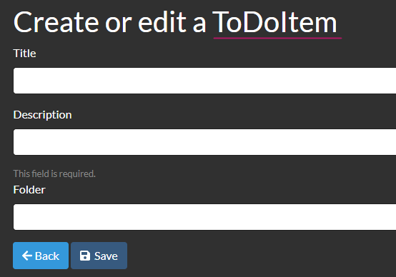

Edgar Aguirre | Typo error | When you enter in the detail of a To Do Item | It says ToDoItem and should say To Do Item | 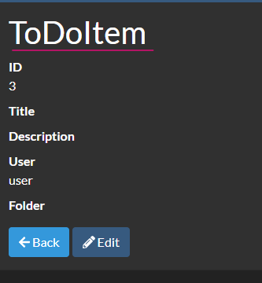

Edgar Aguirre | Typo error | After you create a new To Do Item in the message that appears | It says toDoItem and should say To Do Item | 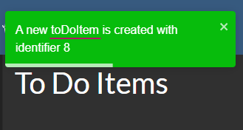

Edgar Aguirre | Typo error | To confirm the delete of a To Do Item | It says ToDoItem and should say To Do Item

Edgar Aguirre | Typo error | When you confirm the delete of To Do Item | It says toDoItem and should say To Do Item | 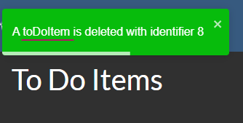

Edgar Aguirre | Design error | After you log in | The green bar should fit the whole screen and the message should be in the left side of the screen (Where de green line is drawled in first capture). This correction unifies the design pattern as when we do not have any to do items (Second capture).

Edgar Aguirre | Design and description | When you create a now to do item | The message "This field is required." Should say "The description is required."(first capture) and should have the same style that the second capture. | 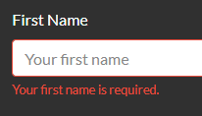 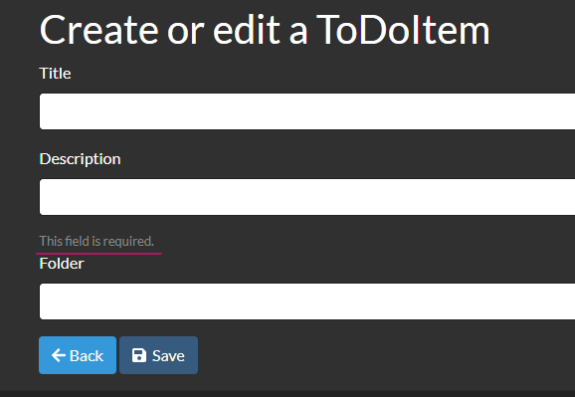

Edgar Aguirre | Design and description | When you create a new folder | The message "This field is required." Should say "The name is required."(first capture) and should have the same style that the second capture. | 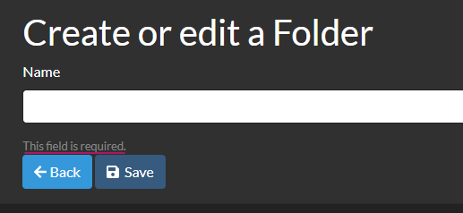

Edgar Aguirre | Design | When you create a now to do item | The symbols overlaps | 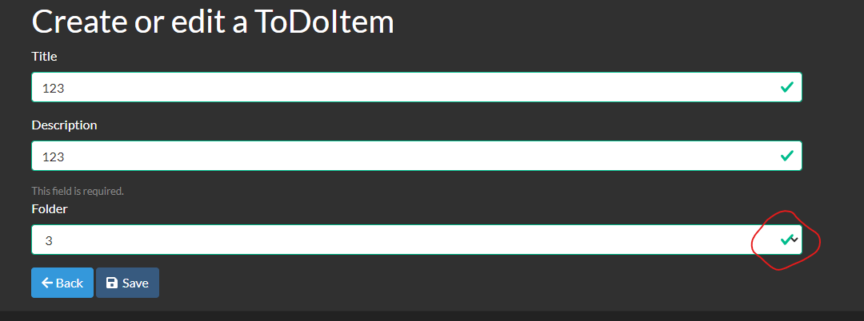

Edgar Aguirre | Typo error | When you go to settings | It says "User settings for user" and it should say "User settings"

Edgar Aguirre | Design error | When you edit a To Do Item | Like you can not modify the ID in this part the ID should not appear | 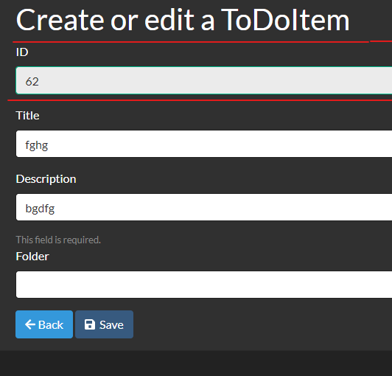

Edgar Aguirre | Typo error | When you update a To Do Item | It says toDoItem and should say To Do Item | 